1. Title Page
[Instacart Grocery Basket Analysis]

Project Name: Instacart Grocery Basket Analysis
Date: January 2024
Analyst Name: Maria Nino

Contents:
Population Flow
Consistency checks
Wrangling steps
Column derivations
Visualizations
Recommendations

Data Citations
The Instacart Online Grocery Shopping Dataset 2017 www.instacart.com/datasets/grocery-shopping-2017

https://simple.wikipedia.org/wiki/List_of_regions_of_the_United_States
Wikipedia - categorize state into region

2. Population Flow
Population flow

Orders_products_combined
Orders_products_merged
Orders_products_all

Total: 32,404,859
Total:
Total: 30,964,564
32,434,489

1.) The grey boxes in the first row of the population flow represent the original data sets as they were when you downloaded them. In the Total fields you need to add the count of the rows when you imported the data set into Jupyter.
2.) The second row of boxes (coloured) represents the data sets after you manipulated them, e.g., removed missing values and duplicates. In the Total fields you need to add the count of the rows after conducting these operations. This offers a visual oveview of how the data flows throughout the data consistency checks.
3.) The third row, where also the arrows are coloured, represents the merges you performed between the datasets. In the Total fields you need to add the count of the rows in the merged datasets, so that you end up with the final dataset (in the red box). Keep in mind the final dataset should be without exclusions (based on the exclusion flag).

3. Consistency checks
 |  |  |  | Title page
Consistency checks

Dataset | Missing values | Missing values treatment | Duplicates
orders | There were 206,209 values missing in the days-since_last_order column. | Nothing should be done with these missing values, as they actually make sense. | No duplicates
products | There were 16 values missing in the product_name column. | They were dropped from the data set | 5 duplicates were removed from the data set

4. Wrangling steps
Wrangling steps

Columns dropped | Columns renamed | Columns' type changed | Comment/Reason
eval_set |  |  | The eval_set column was dropped in the orders data.
 | oder_dow to orders_day_of _week |  | Changed name to make it clearer in the orders data.
 |  | order_id | Changed the data type to a str in the orders data.
 |  | user_id | Changed the data type to a str in the orders data.
 | days_since_prior_order to days_since_last_order |  | Changed name to make it clearer in the orders data.
 |  | date_joined | Changed data type from object to datetime.
 | Gender to gender |  | For more consistency
 | STATE to state |  | For more consistency
 | Age to age |  | For more consistency
 | First Name to first_name |  | For more consistency
 | Surnam to last_name |  | For more consistency
first_name |  |  | Column was dropped for security
last_name |  |  | Column was dropped for security

5. Column derivations
Column derivations and aggregations

Dataset | New column | Column/s it was derived from | Conditions
orders_products_merged | price_range_loc | prices | <=5 is low-range product > 5 to <= 15 mid-range product > 15 high-range product
orders_products_merged | busiest_day | orders_day_of _week | 0 = busiest day 4 = least busy else = regular busy
orders_products_merged | busiest_days | orders_day_of _week | 0 or 1= busiest day 3 or 4= least busy else = regular busy
orders_products_merged | busiest_period_of_day | order_hour_of_day | Top 8 busiest hours = most orders Middle hours = average orders Bottom 4 busiest hours = least orders
ords_prods_merge | max_order | order_number | found the highest number of times each customer has purchased
ords_prods_merge | loyalty_flag | max_order | Max Order > 40 = Loyal customer Max Order <= 40 or > 10 = Regular customer Max Order <= 10 = New customer
ords_prods_merge | average_price | prices | Found the mean of the product prices purchased by customer
ords_prods_merge | spending_flag | average_price | average_price >= 10 = high spender average_price < 10 = low spender"
ords_prods_merge | median_orders | days_since_last_order | found the median of the days since last order by customer
ords_prods_merge | frequency_flag | median_orders | Days Since Purchase > 20 = non-frequent customer Days Since Purchase <=20 or > 10 = regular customer Days Since Purchase <= 10 = frequent customer
df_2(final data) | region | state | Used wikipedia for guidance
df_2(final data) | order_flag | max_order | Max Order >= 5 = include Max Order < 5 = exclude
df_2(final data) | age_range | age | age <= 34 = young_adult age >= 35 & <=64 = middle age age >=65 = older
df_2(final data) | income_level | income | Income >= 142,818 = Above Average Income Income <142,818 and >= 56,534 = Avg Income Income < 56,534 = Below Avg Income
df_2(final data) | dependants_flag | n_dependants | 0 = no children 1+ = has children

6. Visualizations
Visualisations



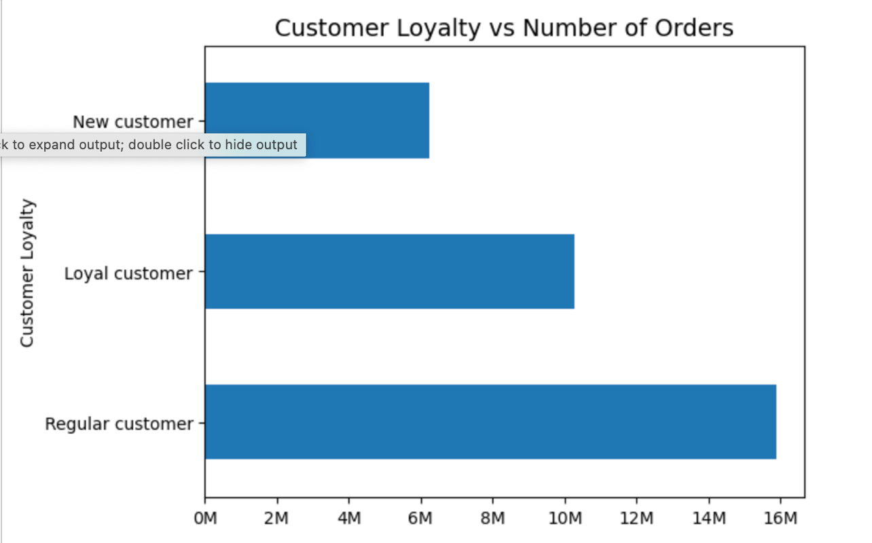
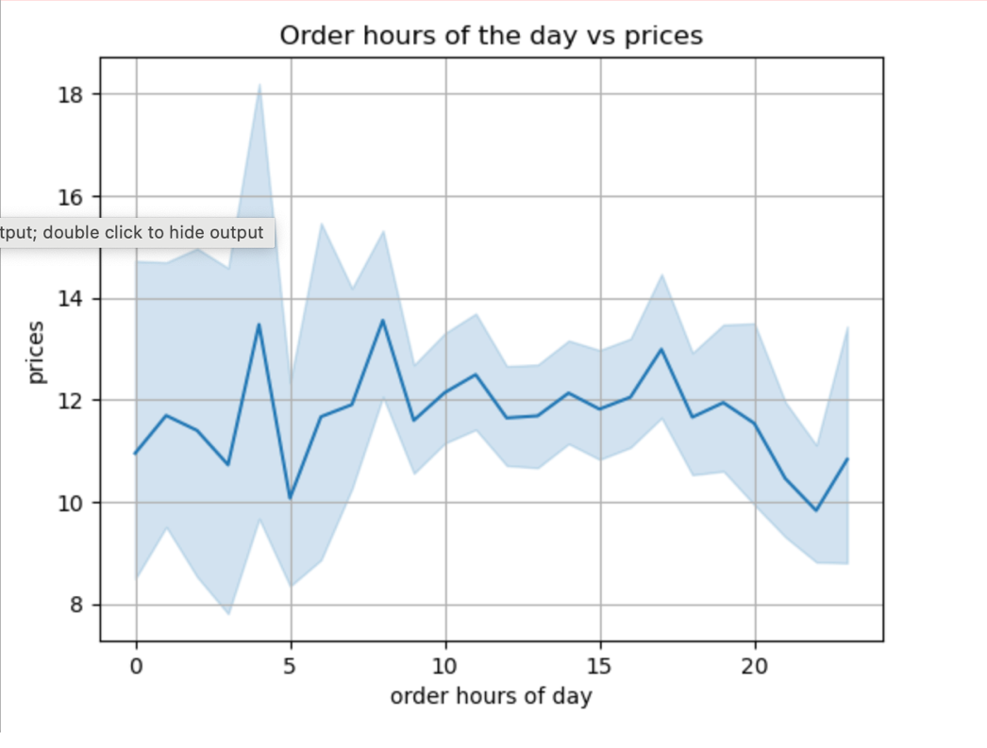
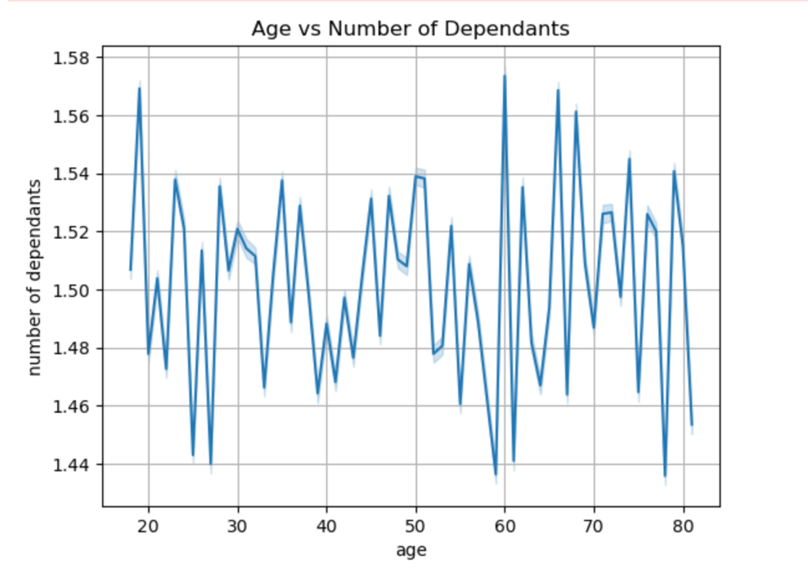

NOTE: Line chart created using a random sampling of data.
Q: Is there a relationship between the price of products purchased and time of day?
observation: It seems that prices tend to be higher during dawn, around 4am. Then it decreases and picks up again between 7am and 8am.
NOTE: Line chart created using a random sampling of data.
Q/Ties to Project Brief: Is there a connection between age and family status in terms of ordering habits?
observation: There isn't any correlation between age and number of dependants
Q:When during the day (hour ) are orders placed?
observation: Most orders are made between 10am and 3pm, as the day progresses the orders slowdown. In the morning there are fewer orders.
The sales team needs to know what the busiest days of the week and hours of the day are (i.e., the days and times with the most orders) in order to schedule ads at times when there are fewer orders.
Q: or Ties to Project Brief: What’s the distribution among users in regards to their brand loyalty?
observations: Based on the graph and loyalty counts we can see that regular customers make the most orders followed by loyal customers and lastly the new customers.

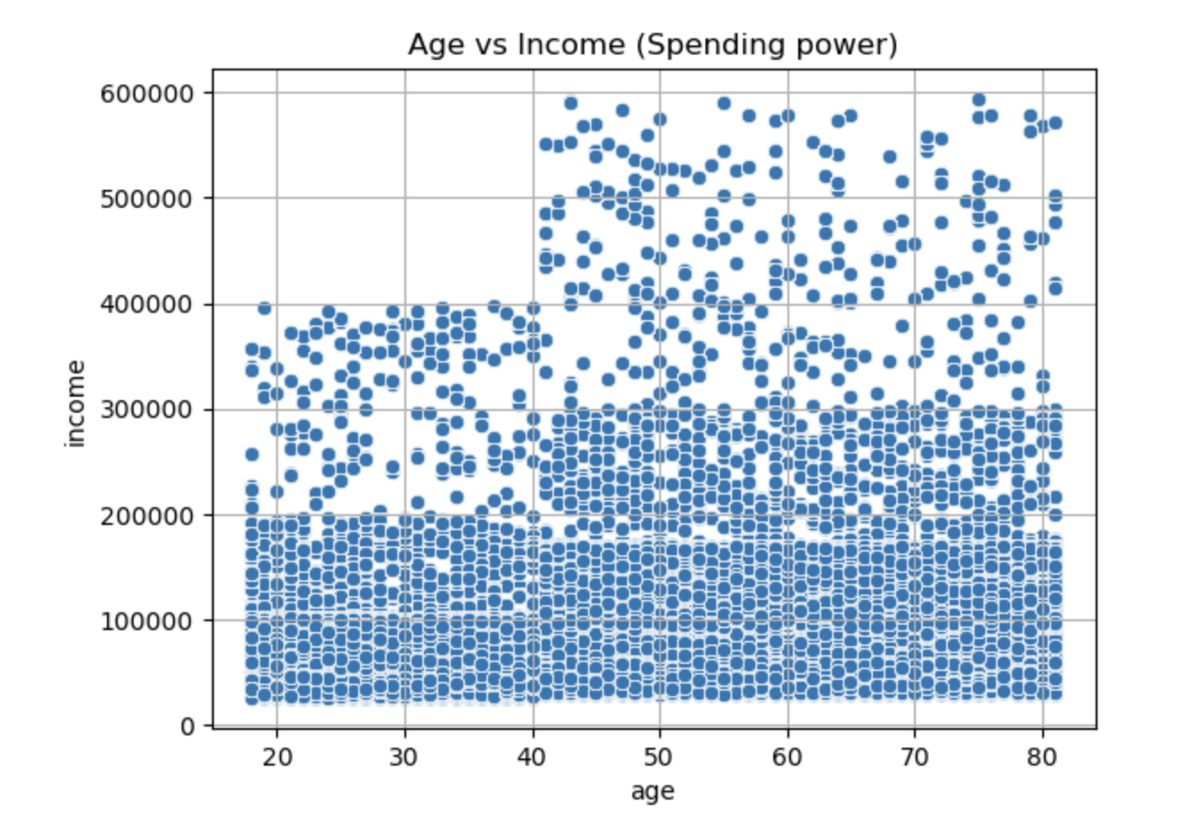
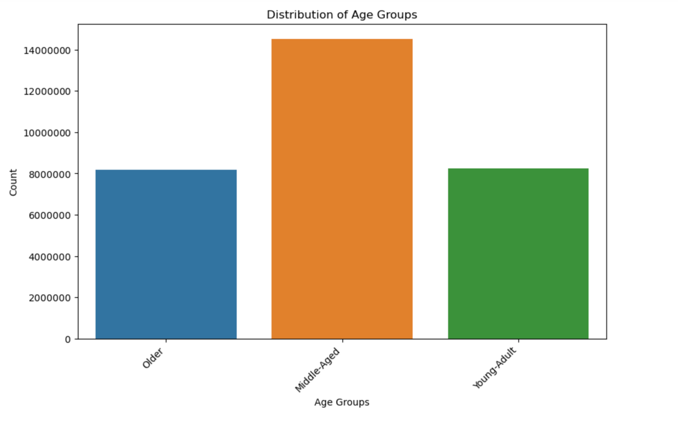
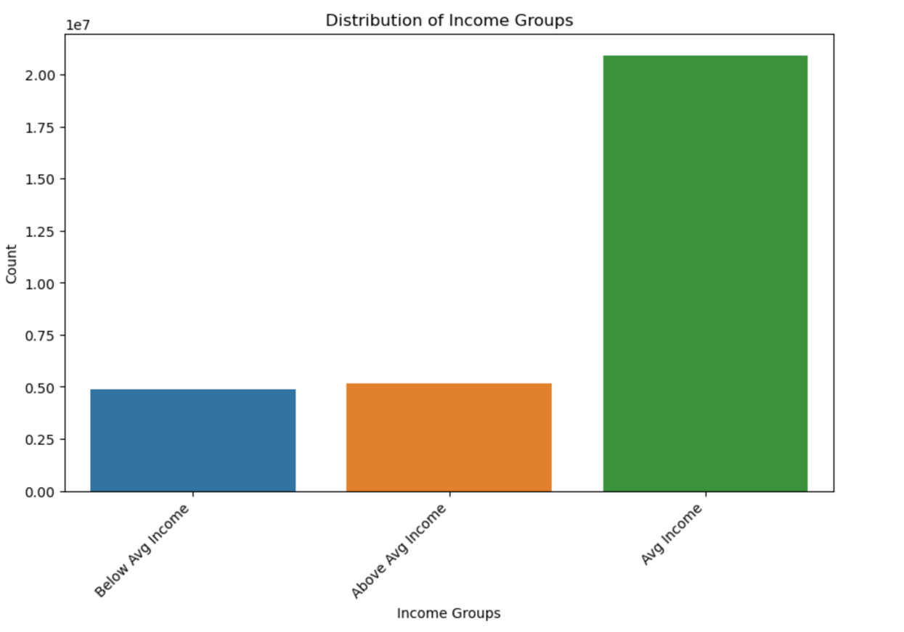
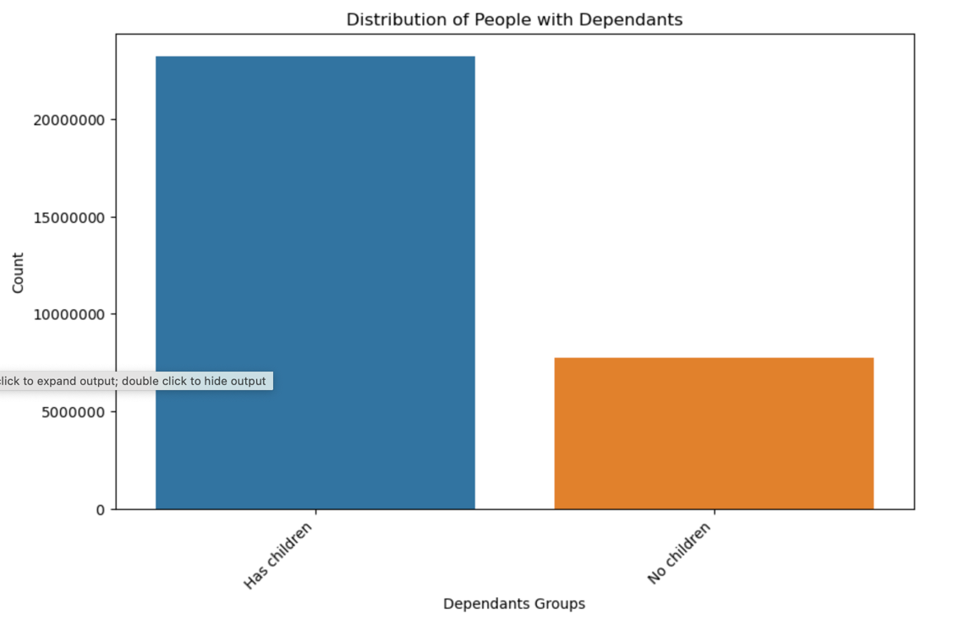

Q: How are the customers with dependants distributed
observation: the majority of customers has children (dependants)
Q: Is there a relationship between the age of the customer and their income? Observations: Customers between 20 and 40 years of age have an income below 400.000. Customers above 40 years of age tend to have a higher income, reaching the 600.000 bracket. But it seems that the majority of people earn between 200.000 or less.
Q: How are the clients distributed
observation: Middle aged makes up the majority of all customers.
Q: How are income levels distributed
observation: the majority of customers fall in the average income level.

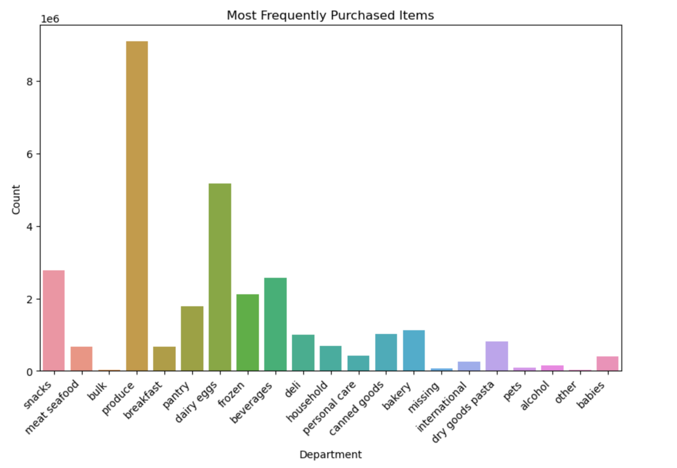
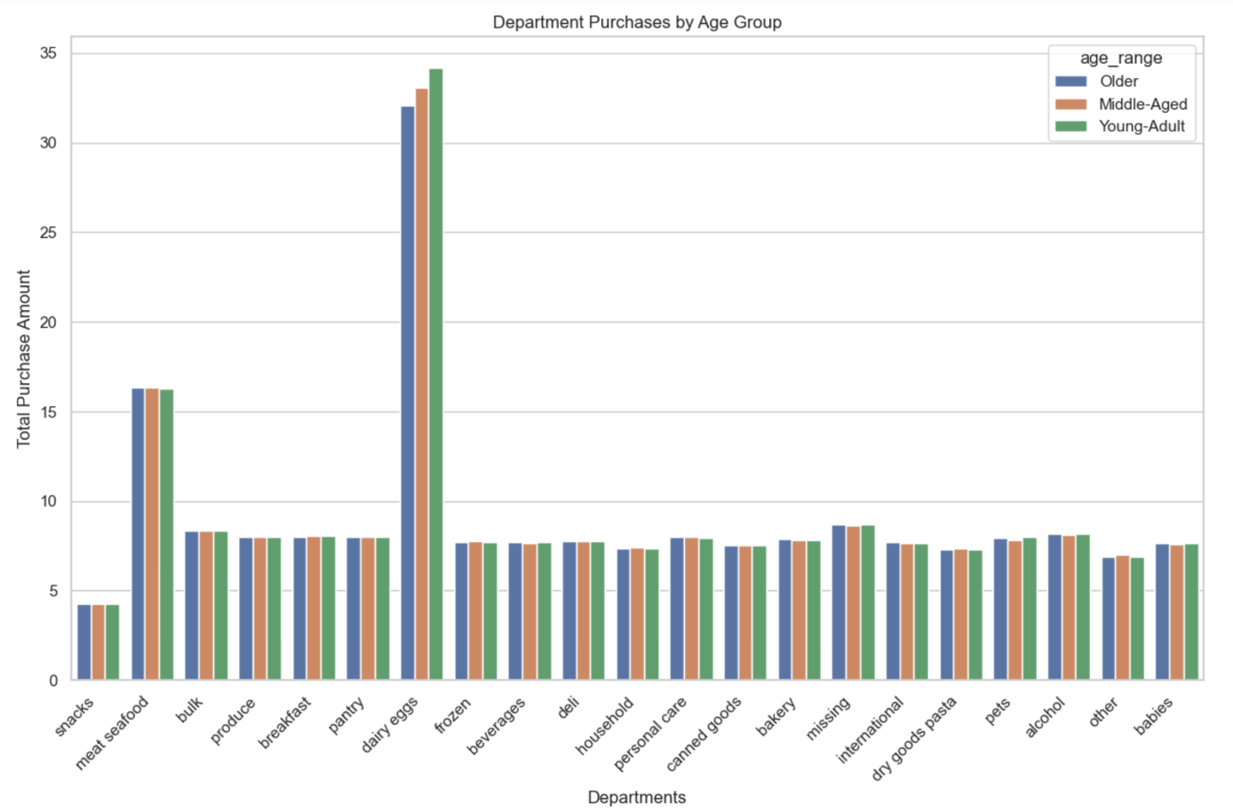
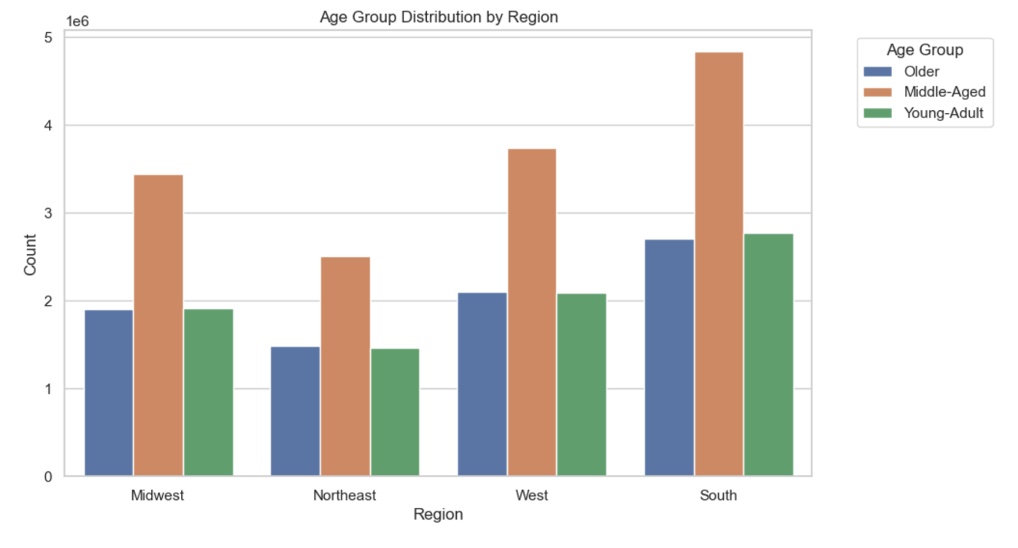
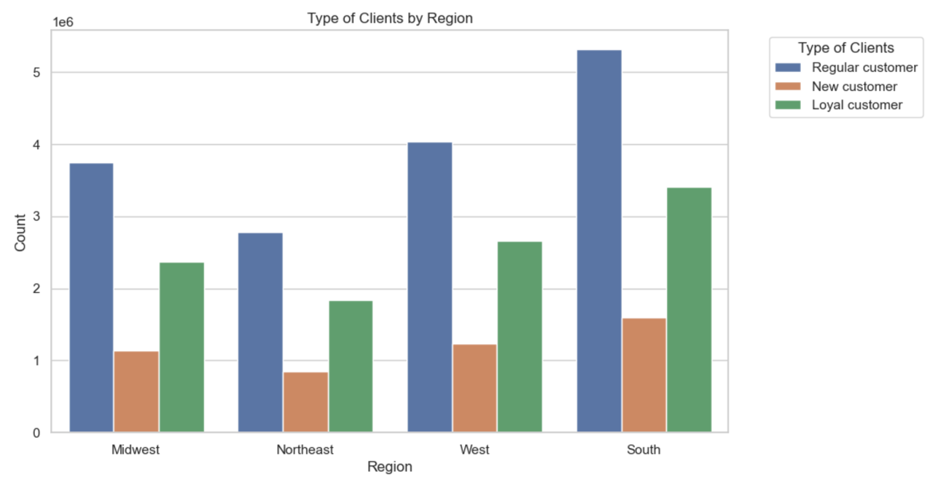

Q: What is the distribution of age groups by regions
Observation: It seems that the middle aged group is the largest in each region.
Q: What is the distribution of type of clients by regions
Observation: It seems that the most loyal customers and the most regular customers are located in the south.
Q: What are the most frequently purchased items
observation: It seems that the most frequently purchased items are: produce, dairy/eggs, snacks, and beverages.
Q: What are the most frequently purchased items by age group
observation: It seems that the various age groups buy about the same amount of each item from specific departments.


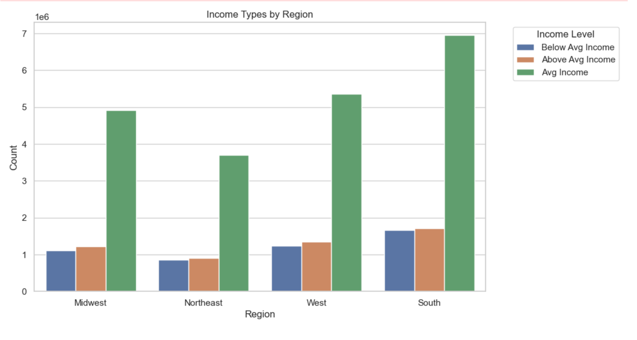
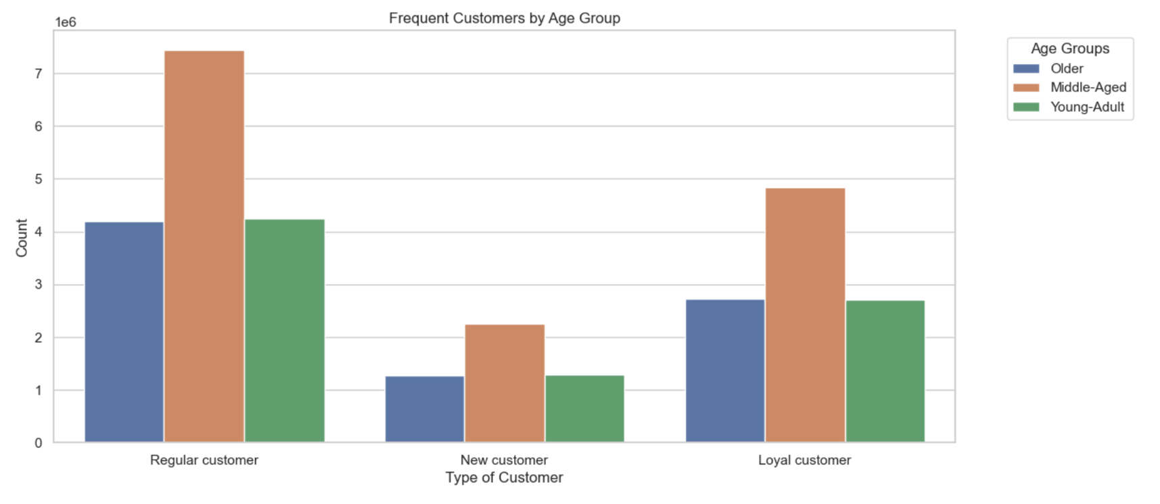

Q: What is the distribution of income levels by regions
Observation: Average income is the most predominant type of income across all regions.
Q: What is the distribution of frequent customers by age groups
Observation: The middle aged group is the most active across every type of customer
Q: What is the busiest day of the week
Observation: saturday and sunday seem to be the busiest.

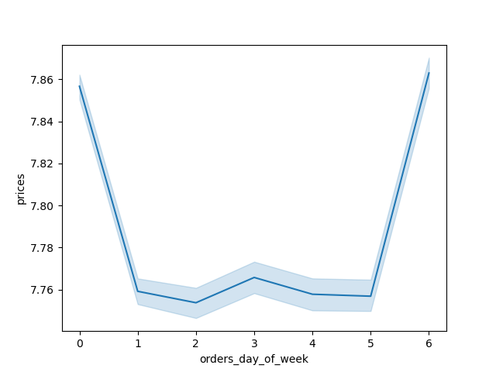
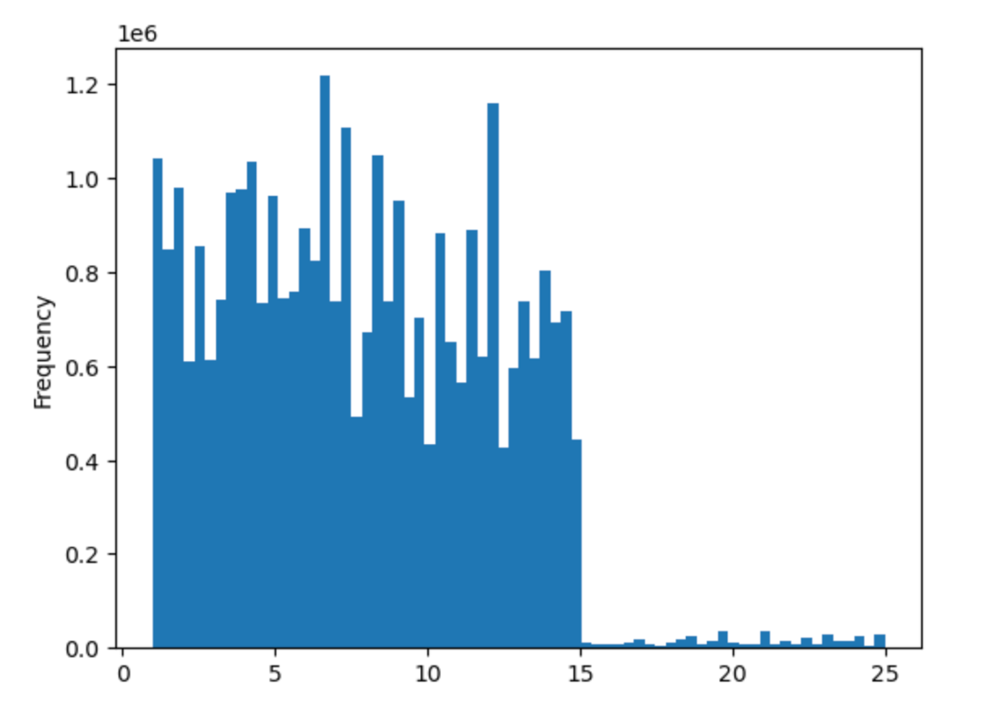

Q: When are the most products purchased
Observation: during saturday and friday people spend the most money
Q: How frequent are items purchased based on their price. Observation: mid-range products are the most popular

7. Recommendations
Recommendations

Key Questions | Answers | Visualizations | Recommendation
1.The sales team needs to know what the busiest days of the week and hours of the day are (i.e., the days and times with the most orders) in order to schedule ads at times when there are fewer orders. | Most orders are made between 10am and 3pm, as the day progresses the orders slowdown. In the morning there are fewer orders. Saturday and Sunday are the busiest days | Visualizations are in the visualization tab of this document | The sales team should focus to schedule ads during the weekend
2.They also want to know whether there are particular times of the day when people spend the most money, as this might inform the type of products they advertise at these times. | There are no particular times, but during Friday and Saturday customers spend the most. | visualization tab | The sales team should focus on these 2 days to advertise products
3.Instacart has a lot of products with different price tags. Marketing and sales want to use simpler price range groupings to help direct their efforts. | In our analysis, we categorized by different bins by price from $1 to 5, from $5 to $10, from $10 to $15, from $15 to $20 and finally from $20 to $25. There was a clear pattern of mid-range priced items being by far the most purchased items. High-priced items were very infrequently purchased | visualization tab | Focus on advertising mid range products
4.Are there certain types of products that are more popular than others? The marketing and sales teams want to know which departments have the highest frequency of product orders. | It seems that the most frequently purchased items are: produce, dairy/eggs, snacks, and beverages. | visualization tab | The sales team can focus on the placement and advertising of these products
5.What’s the distribution among users in regards to their brand loyalty (i.e., how often do they return to Instacart)? | The majority of customers are regular customers | visualization tab | There is already a large part of customers that are loyal. But, there's an opportunity to incentivize those who place orders with less frequency to turn more regular customers into more frequent customers.
6.Are there differences in ordering habits based on a customer’s region? | The customers in the southern region seemed to be the most loyal and frequent customers | visualization tab | As the company already has a lot of customers in the south they could focused on increasing the number of customers in the northeast.
7.Is there a connection between age and family status in terms of ordering habits? | No there is no connection | visualization tab | No recommendation
8.What different classifications does the demographic information suggest? Age? Income? Certain types of goods? Family status? | Based on our analysis the majority of the companies customers profile are middle aged (34 to 65 years) with average income and with children. | visualization tab | The company can focus on these type of customers or even try to increase the loyalty of their other types of customers

